VSOP Gasket
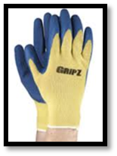
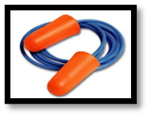
 |  |  |  | CTQ Visual SOP |  |  |  | TOOLS | PPE
 |  |  |  |  |  |  |  | Tape Measure

 |  |  |  | VISUAL WORK INSTRUCTION

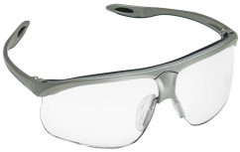
Document # |  |  | VSOP |  | Created by: |  | Gabrielle Mullins
Department / Line: |  |  | 1500 Lines 1-4 |  | Original Date: |  | 2022-03-02
Operation: |  |  | Assembly |  | Revision Date: |  | 2025-08-19
Product: |  |  | Jamb Processing |  | Approved by:
1500-210-214
 |  |  |  |  | Operations |  | Regina Tune
When checking your Meeting Rail Punch location place your Tape Measure at Head of the Jamb and against the Glass Leg to the first hole as shown above.
 |  |  |  |  | Engineering |  | Kevin Flippen
 |  |  |  |  | Quality |  | Molly Mullins

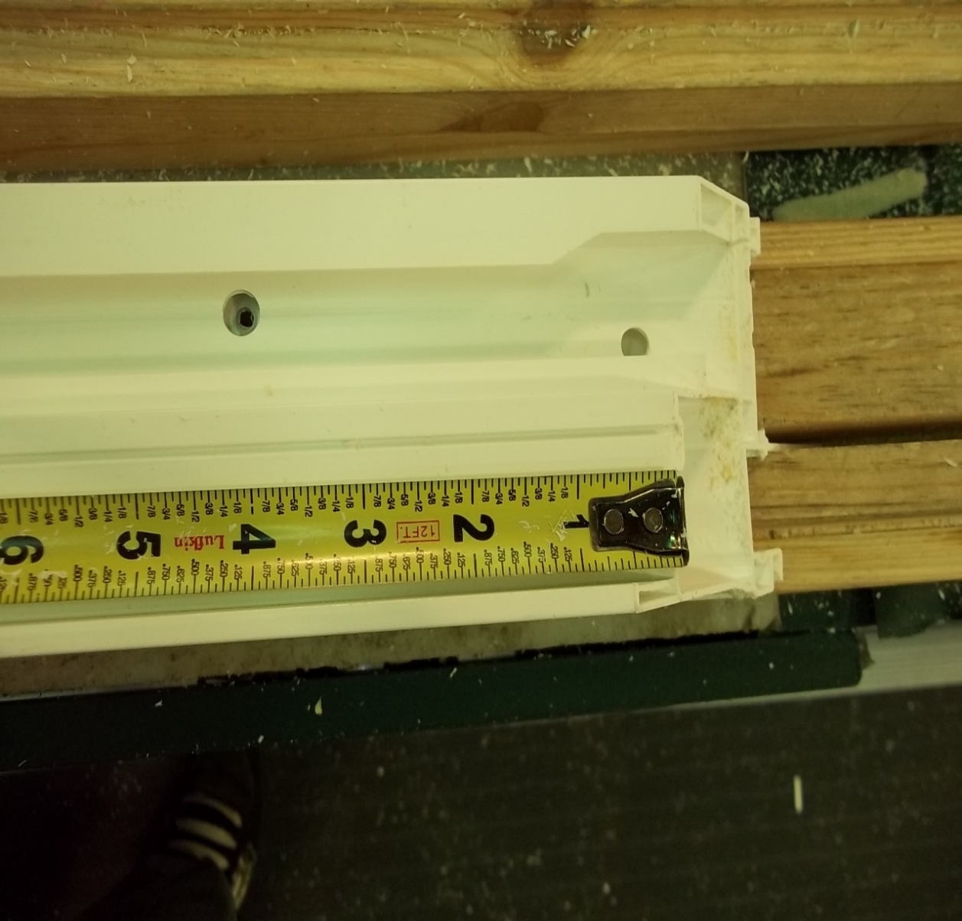
2
Start tape measure on the inside of jamb at the head end
2
4
 | 1 | Meeting Rail Anchor Fabrication 1. Set machine to sash height according to what is listed WIP label. 2. Punch anchor, then measure location (per picture) ±1/32". Left side and right side can be no more than 1/16" from matching. When installing 3. Check 1 of every 5 units and at each height change. 4. Confirm on wip label if CSL hole is required. PO = Prep only (rout hole but no latch) Y = rout hole and install latch N = no rout If routed, refer to RMVA-V1-01-0159 (CTQ for CSL rout) for how to gauge. 5. Verify on wip label coil or balance spring and punch accordingly. |  |  |  | 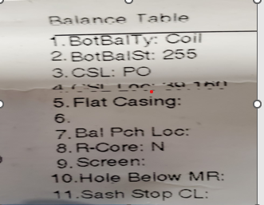 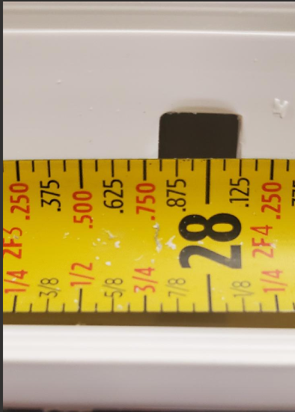 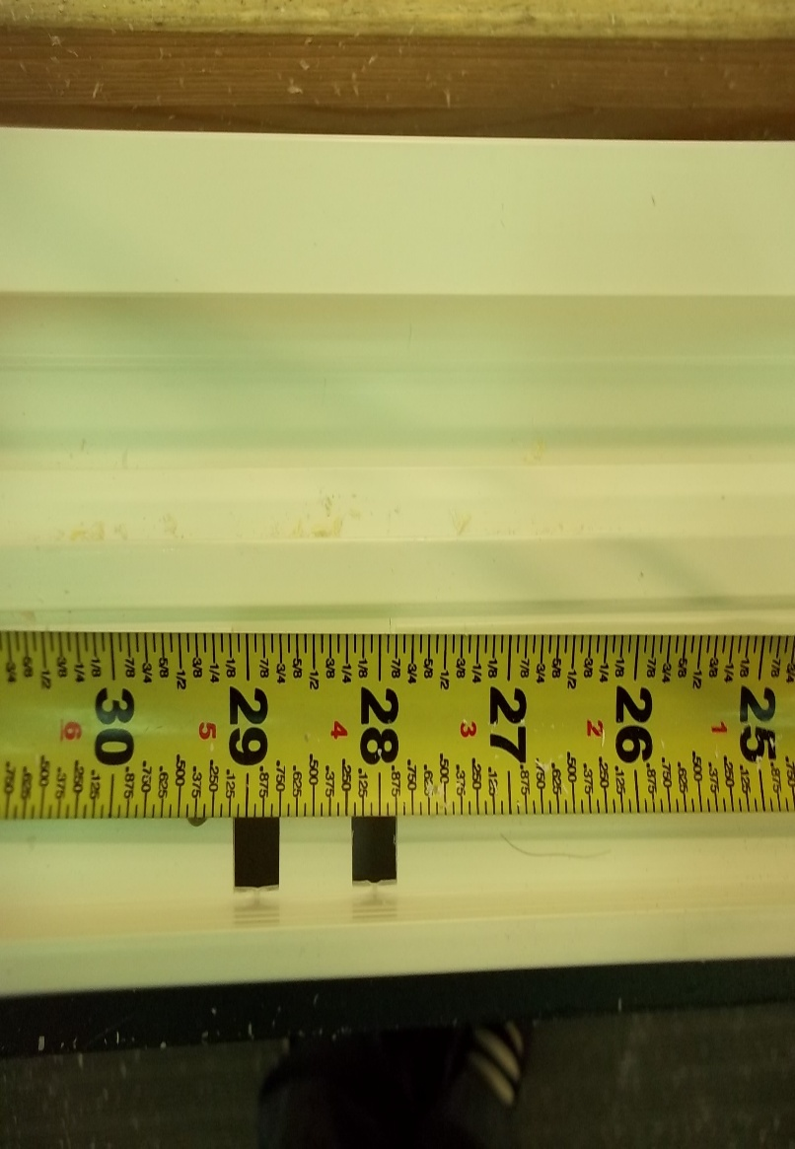

Measure at the beginning of the meeting rail anchor punch (measure to top of first square punch).

All standard sizes will measure on .812 which is 13/16
Custom sizes will vary by size.

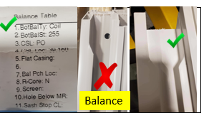

Acceptable tolerance shown in green below. Note: shown is a 5-0 height unit.

